Analysis
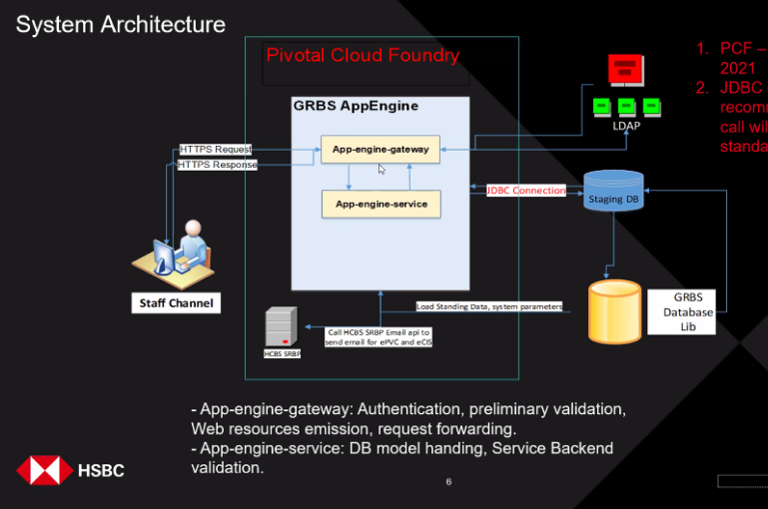
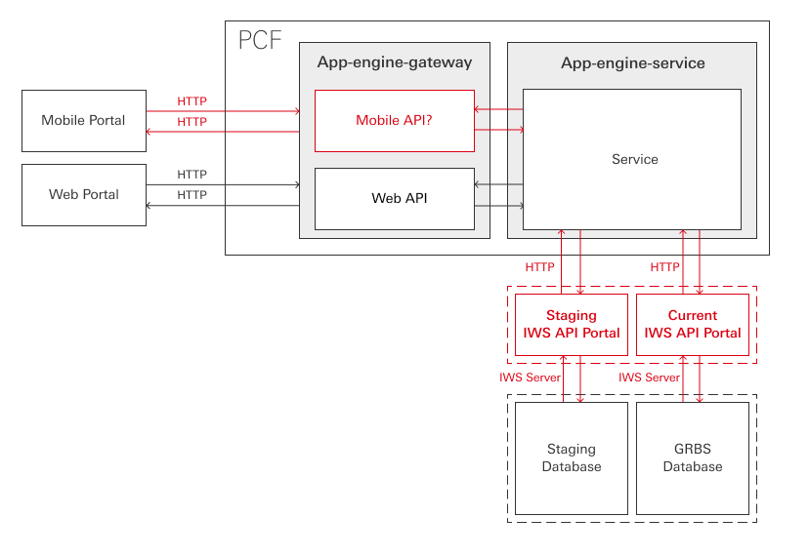
 |  | URI | Procedure Identifier | SQL Statement
 |  | root/'Functionname' | GET"ENTITY SET" | SELECT "ENTITY","ENTITY","ENTITY"... FORM "LIB" LEFT JOIN ON""... WHERE….
 |  | root/'Functionname' | UPDATE'ENTITY SET' | UPDATE "LIB" SET "ENTITY=?","ENTITY=?","ENTITY=?"…WHERE…
 |  | root/'Functionname' | REMOVE"ENTITY" | DELETE FROM "LIB" WHERE
 |  | root/'Functionname' | ADD | INSERT INTO "LIB"…

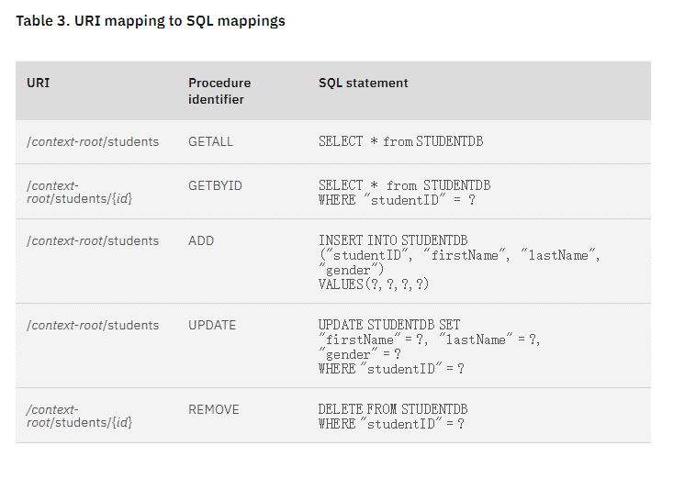
Why?
1 | Mobile Portal is developing now
2 | JDBC Connection efficiency can not reach to the expect
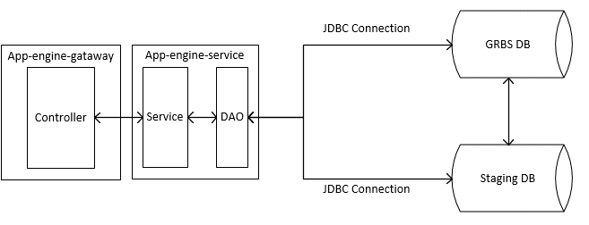
3 | Architecture suggest to change JDBC --> API
What?
1 | Phase1: JDBC to API
2 | Phase1: Mobile API
3 | Phase2: Migration system to IKP
When?
1 | Phase1 Before Sep
2 | Phase 2 Before Nov

